LTI Tools
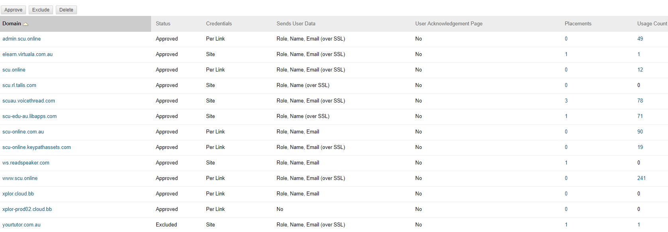
 | S.Gardner | B. Murphy | Requires research or more testing | Notes | LTI Tool Providers
LTI Links

Weekly Content Keypath | Y |  |  | Works fine |  | Approved | Site | Role, Name, Email (over SSL) | No | 1 | 1
Embed MyReadings | Y |  |  |  |  | Approved | Per Link | Role, Name, Email (over SSL) | No | 0 | 12
Embed LibGuides | Y |  |  |  |  | Approved | Site | Role, Name (over SSL) | No | 0 | 0
 |  |  |  |  |  | Approved | Site | Role, Name, Email (over SSL) | No | 3 | 78
 |  |  |  |  |  | Approved | Site | Role, Name (over SSL) | No | 1 | 71
 |  |  |  |  |  | Approved | Per Link | Role, Name, Email | No | 0 | 90
 |  |  |  |  |  | Approved | Per Link | Role, Name, Email (over SSL) | No | 0 | 19
 |  |  |  |  |  | Approved | Site | Role, Name, Email | No | 1 | 0
 |  |  |  |  |  | Approved | Per Link | Role, Name, Email (over SSL) | No | 0 | 241
 |  |  |  |  |  | Approved | Per Link | Role, Name, Email | No | 0 | 0
 |  |  |  |  |  | Approved | Per Link | No | No | 0 | 0
 |  |  |  |  |  | Excluded | Site | Role, Name, Email (over SSL) | No | 1 | 1

Basic LTI Tools

